Consolidated Balance
COCA-COLA FEMSA
CONSOLIDATED BALANCE SHEET
Millions of Pesos

Assets | Jun-19 | Dec-18 | % Var. | Liabilities & Equity | Jun-19 | Dec-18 | % Var.
Current Assets |  |  |  | Current Liabilities
Cash, cash equivalents and marketable securities |  |  |  | Short-term bank loans and notes payable | 16,726 | 11,604 | 44%
 | 23,486 | 23,727 | -1% | Suppliers | 15,993 | 19,746 | -19%
Total accounts receivable | 11,530 | 14,847 | -22% | Short-term leasing Liabilities | 487 | -
Inventories | 10,020 | 10,051 | 0% | Other current liabilities | 20,142 | 14,174 | 42%
Other current assets | 8,900 | 8,865 | 0% | Total current liabilities | 53,347 | 45,524 | 17%
Total current assets | 53,936 | 57,490 | -6% | Non-Current Liabilities
Non-Current Assets |  |  |  | Long-term bank loans and notes payable | 58,863 | 70,201 | -16%
Property, plant and equipment | 106,874 | 106,259 | 1% | Long Term Leasing Liabilities | 1,076 | -
Accumulated depreciation | (46,393) | (44,316) | 5% | Other long-term liabilities | 17,254 | 16,313 | 6%
Total property, plant and equipment, net | 60,481 | 61,942 | -2% | Total liabilities | 130,540 | 132,037 | -1%
Right of use assets | 1,552 | - | NA | Equity
Investment in shares | 10,618 | 10,518 | 1% | Non-controlling interest | 6,942 | 6,807 | 2%
Intangible assets and other assets | 115,709 | 116,804 | -1% | Total controlling interest | 122,248 | 124,943 | -2%
Other non-current assets | 17,434 | 17,033 | 2% | Total equity | 129,190 | 131,750 | -2%
Total Assets | 259,730 | 263,788 | -2% | Total Liabilities and Equity | 259,730 | 263,788 | -2%

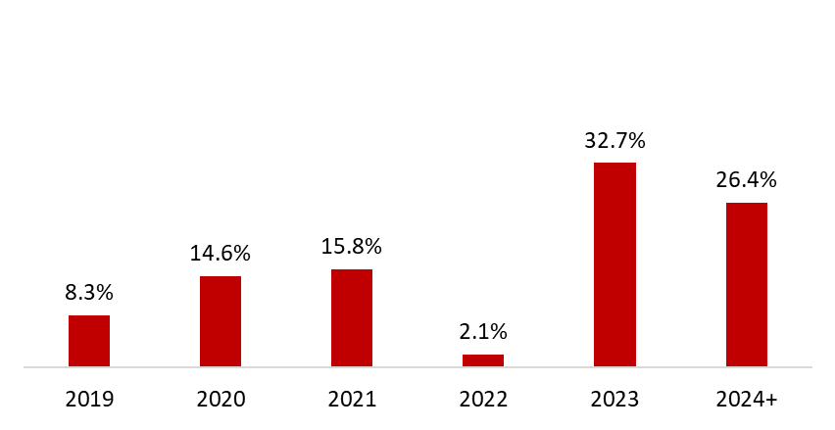
 | June 30, 2019
Debt Mix | % Total Debt (1) | % Interest Rate Floating (1) (2) | Average Rate | Debt Maturity Profile
Currency
Mexican Pesos | 58.5% | 10.9% | 8.4%
U.S. Dollars | 8.9% | 0.0% | 3.9%
Colombian Pesos | 1.7% | 100.0% | 5.5%
Brazilian Reals | 29.0% | 1.7% | 7.8%
Uruguayan Pesos | 1.6% | 0.0% | 10.0%
Argentine Pesos | 0.3% | 20.0% | 65.5%
Total Debt | 100% | 4.6% | 8.0%
(1) After giving effect to cross- currency swaps.
(2) Calculated by weighting each year´s outstanding debt balance mix.

Financial Ratios | LTM 2019 | FY 2018 | Δ%
Net debt including effect of hedges (1)(3) | 51,670 | 56,934 | -9.2%
Net debt including effect of hedges / Operating cash flow (1)(3) | 1.39 | 1.61
Operating cash flow/ Interest expense, net (1) | 6.07 | 5.40
Capitalization (2) | 40.2% | 40.5%
(1) Net debt = total debt - cash
(2) Total debt / (long-term debt + shareholders' equity)
(3) After giving effect to cross-currency swaps.

