Consolidated Balance
COCA-COLA FEMSA
CONSOLIDATED BALANCE SHEET
Millions of Pesos

Assets | Sep-19 | Dec-18 | % Var. | Liabilities & Equity | Sep-19 | Dec-18 | % Var.
Current Assets |  |  |  | Current Liabilities
Cash, cash equivalents and marketable securities |  |  |  | Short-term bank loans and notes payable | 16,699 | 11,604 | 44%
 | 30,230 | 23,727 | 27% | Suppliers | 17,712 | 19,746 | -10%
Total accounts receivable | 10,951 | 14,847 | -26% | Short-term leasing Liabilities | 471 | -
Inventories | 9,658 | 10,051 | -4% | Other current liabilities | 21,405 | 14,174 | 51%
Other current assets | 11,170 | 8,865 | 26% | Total current liabilities | 56,286 | 45,524 | 24%
Total current assets | 62,008 | 57,490 | 8% | Non-Current Liabilities
Non-Current Assets |  |  |  | Long-term bank loans and notes payable | 59,834 | 70,201 | -15%
Property, plant and equipment | 106,184 | 106,259 | 0% | Long Term Leasing Liabilities | 913 | -
Accumulated depreciation | (46,779) | (44,316) | 6% | Other long-term liabilities | 15,964 | 16,313 | -2%
Total property, plant and equipment, net | 59,406 | 61,942 | -4% | Total liabilities | 132,997 | 132,037 | 1%
Right of use assets | 1,357 | - | NA | Equity
Investment in shares | 10,587 | 10,518 | 1% | Non-controlling interest | 6,659 | 6,807 | -2%
Intangible assets and other assets | 112,464 | 116,804 | -4% | Total controlling interest | 123,041 | 124,943 | -2%
Other non-current assets | 16,875 | 17,033 | -1% | Total equity | 129,700 | 131,750 | -2%
Total Assets | 262,697 | 263,788 | -0.4% | Total Liabilities and Equity | 262,697 | 263,788 | -0.4%

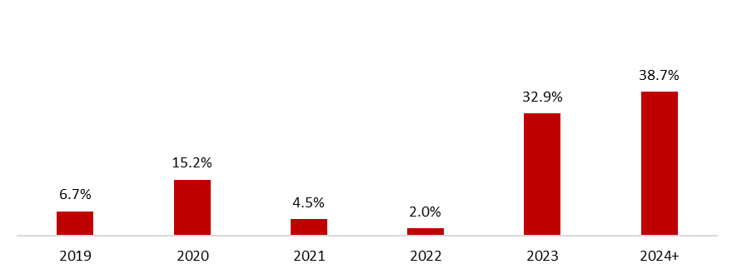
 | September 30, 2019
Debt Mix | % Total Debt (1) | % Interest Rate Floating (1) (2) | Average Rate | Debt Maturity Profile
Currency
Mexican Pesos | 64.2% | 26.5% | 8.4%
U.S. Dollars | 9.2% | 0.0% | 3.9%
Colombian Pesos | 1.6% | 100.0% | 5.2%
Brazilian Reals | 23.0% | 1.9% | 8.3%
Uruguayan Pesos | 1.8% | 0.0% | 9.7%
Argentine Pesos | 0.2% | 20.0% | 65.9%
Total Debt | 100% | 12.2% | 8.1%
(1) After giving effect to cross- currency swaps.
(2) Calculated by weighting each year´s outstanding debt balance mix.

Financial Ratios | LTM 2019 | FY 2018 | Δ%
Net debt including effect of hedges (1)(3) | 44,455 | 56,934 | -6.5%
Net debt including effect of hedges / Operating cash flow (1)(3) | 1.17 | 1.61
Operating cash flow/ Interest expense, net (1) | 6.41 | 5.40
Capitalization (2) | 40.4% | 40.5%
(1) Net debt = total debt - cash
(2) Total debt / (long-term debt + shareholders' equity)
(3) After giving effect to cross-currency swaps.

