Consolidated Balance
COCA-COLA FEMSA
CONSOLIDATED BALANCE SHEET
Millions of Pesos

Assets | Dec-19 | Dec-18 | % Var. | Liabilities & Equity | Dec-19 | Dec-18 | % Var.
Current Assets |  |  |  | Current Liabilities
Cash, cash equivalents and marketable securities |  |  |  | Short-term bank loans and notes payable | 11,485 | 11,604 | -1%
 | 20,491 | 23,727 | -14% | Suppliers | 19,832 | 19,746 | 0%
Total accounts receivable | 15,476 | 14,847 | 4% | Short-term leasing Liabilities | 483 | -
Inventories | 10,538 | 10,051 | 5% | Other current liabilities | 19,210 | 14,174 | 36%
Other current assets | 10,291 | 8,865 | 16% | Total current liabilities | 51,010 | 45,524 | 12%
Total current assets | 56,796 | 57,490 | -1% | Non-Current Liabilities
Non-Current Assets |  |  |  | Long-term bank loans and notes payable | 58,492 | 70,201 | -17%
Property, plant and equipment | 109,169 | 106,259 | 3% | Long Term Leasing Liabilities | 900 | -
Accumulated depreciation | (47,982) | (44,316) | 8% | Other long-term liabilities | 17,752 | 16,313 | 9%
Total property, plant and equipment, net | 61,187 | 61,942 | -1% | Total liabilities | 128,154 | 132,037 | -3%
Right of use assets | 1,381 | - | NA | Equity
Investment in shares | 9,751 | 10,518 | -7% | Non-controlling interest | 6,751 | 6,807 | -1%
Intangible assets and other assets | 112,050 | 116,804 | -4% | Total controlling interest | 122,934 | 124,943 | -2%
Other non-current assets | 16,673 | 17,033 | -2% | Total equity | 129,685 | 131,750 | -2%
Total Assets | 257,839 | 263,788 | -2% | Total Liabilities and Equity | 257,839 | 263,788 | -2%

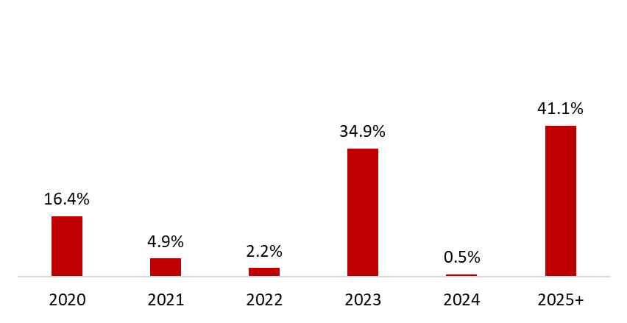
 | December 31, 2019
Debt Mix | % Total Debt (1) | % Interest Rate Floating (1) (2) | Average Rate | Debt Maturity Profile
Currency
Mexican Pesos | 68.2% | 26.5% | 8.3%
U.S. Dollars | 9.3% | 0.0% | 3.9%
Colombian Pesos | 1.5% | 78.4% | 5.0%
Brazilian Reals | 18.8% | 0.8% | 9.9%
Uruguayan Pesos | 1.9% | 0.0% | 10.1%
Argentine Pesos | 0.2% | 20.0% | 61.7%
Total Debt | 100% | 12.4% | 8.3%
(1) After giving effect to cross- currency swaps and financial leases. |  |  |  | (1) Debt Maturity Profile as of December 31, 2019
(2) Calculated by weighting each year´s outstanding debt balance mix.

Financial Ratios | FY 2019 | FY 2018 | Δ%
Net debt including effect of hedges (1)(3) | 49,784 | 56,934 | -12.6%
Net debt including effect of hedges / Operating cash flow (1)(3) | 1.34 | 1.61
Operating cash flow/ Interest expense, net (1) | 6.55 | 5.40
Capitalization (2) | 37.2% | 40.5%
(1) Net debt = total debt - cash
(2) Total debt / (long-term debt + shareholders' equity)
(3) After giving effect to cross-currency swaps.

